Mr. Matt's Monopoly Fitness
 |  |  |  |  |  |  |  |  |  |  |  |  | Mr. Matt's Monopoly Fitness
Back 3 spaces |  | 20 x Calf raises | Chance? | 20 x Seated abs circles | 50 x Jumping jacks | Rest Station | 100 x Skipping | 12 x Straight leg bridge kick | Water Break! | 30 Seconds Wall sit | Go to 'The Gym'

16 x Ski jumps |  | 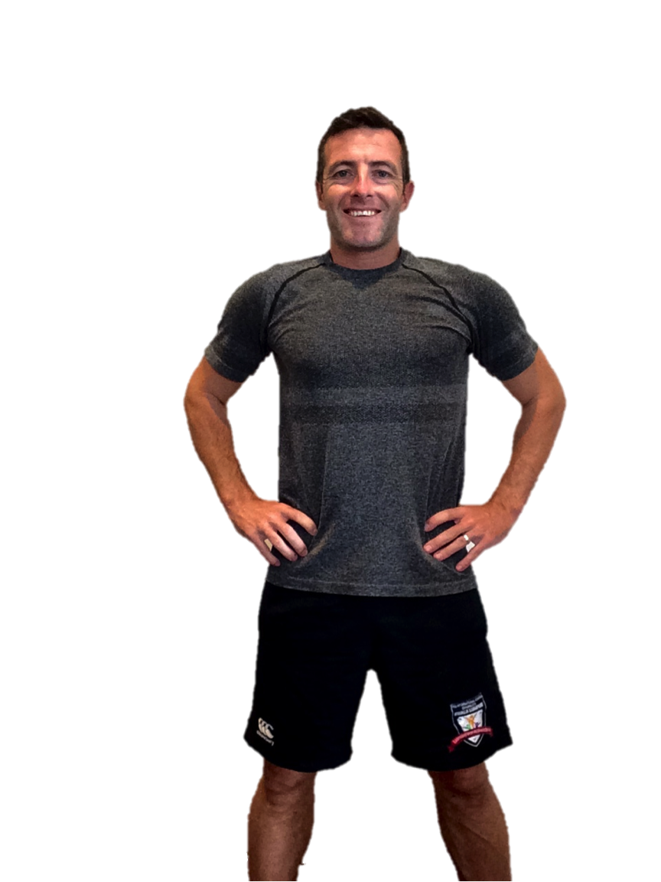 |  |  |  |  |  |  |  |  |  | 10 x Basketball jumps | How to play
30 x Marching plank |  |  |  |  |  |  |  |  |  |  |  | 30 x Spiderman crawl | Start at the 'Go!' square
Chance? |  |  |  |  |  |  |  |  |  |  | Chance? |  | Roll a dice and move clockwise around the board
20 x Power squats |  |  |  |  |  |  |  |  |  |  |  | 15 x Dolphin arm extensions | Follow the instructions on the square you land on
Rest Station |  |  |  |  |  |  |  |  |  |  | Rest Station |  | If you land on a chance square, select a card from the second tab
10 x Triceps dips |  |  |  |  |  |  |  |  |  |  | Chance? |  | Get all around the board (back past 'Go!') to complete 1 set
20 x Knee tucks |  |  |  |  |  |  |  |  |  |  |  | 20 x Canoe crunch | Easy - 1 Set
Water Break! |  |  |  |  |  |  |  |  |  |  | 10 x Burpees or take a chance |  | Intermediate - 2 Sets
12 x Lunge jumps |  |  |  |  |  |  |  |  |  |  |  | 20 x Crabs toe touch | Hard - 3 Sets
Just | The Gym - Perform 6 Burpees to get out |  |  | Chance? |  | Rest Station | 10 x Burpees or take a chance |  | Chance? |  | GO! |  | Good luck, work hard, stay safe, stay strong!
 |  | 10 x Frog jumps | 15 x Calf raises |  | 5 x Push ups |  |  | 5 x Biceps extensions |  | 5 x in and out abs
Visiting

